Example
RATER NAME: | Casey Kasem
Posting Title: | Special Investigator
Job Opening ID: | 9911
Rating Start Date: | 2025-10-31
# Applicants: | 5
Batch #: | 1
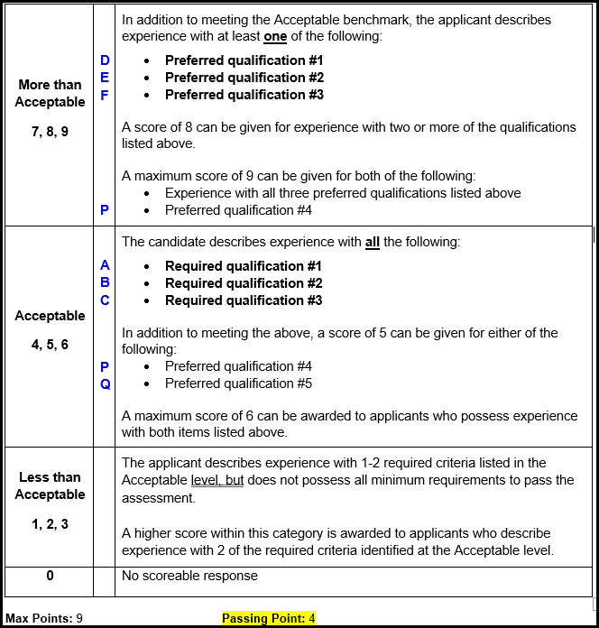
Rater Instructions: Place an X in the column assigned to each criteria the applicant meets. Enter the score assigned to each applicant in the score column. Each letter corresponds to a qualification on the benchmarks. Qualifications A, B and C must all be met in order for applicant to score a 4 or higher, even if they meet MTA criteria.
 |  |  | Qualifications Met
 |  |  | Acceptable |  |  | More than Acceptable |  |  | Additional Points Only
Applicant Name | Applicant ID | Score | A | B | C | D | E | F | P | Q | Rater Notes
Rogers, Norville | 1394 | 2 | X |  | X |  |  |  | X |  | Describes eating sandwiches but not making them
Jones, Fred | 9473 | 5 | X | X | X |  |  |  |  | X
Blake, Daphne | 11074 | 8 | X | X | X | X | X |  | X
Dinkley, Velma | 14784 | 9 | X | X | X | X | X | X | X | X
Rogers, Scooby | 15846 | 4 | X | X | X

